Intro
 | Multiple Project Planning Template |  | Get our 120+ Premium Project Management Templates
 | Free Excel Template by Excelx.com Powered By Analysistabs®

Get the Full Version
4
Info 4 | Overcome project overload! Download our free Multi-Project Planning Template (Excel) for effortless workflow management.

How to Use This Template 4 | 1. Enter your project names in the Projects sheet. 2. In the Tasks sheet, add each task with its owner, start date, days required and progress. On the Dashboard, pick a project from the drop-down in cell K1 to see its KPIs and Gantt chart.

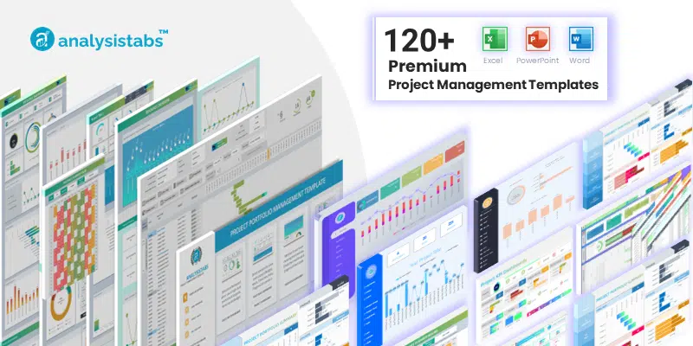

Share 4 | Excelx Powered By Analysistabs® is developing Free and Premium Project Management Templates. Please do not share this downloaded file. Instead, you can share our free template page link with your colleagues and friends, it helps us to create better tools and more templates.

100+ FREE Templates | 100+ Free Templates for Project Management, Personal Finance & Productivity
 | Free Project Management Templates

Download Now 4
Unlocked Sheets | Easy to Customize | Full Features
120+ PREMIUM Templates | 120+ Premium Templates:
 | 120+ Premium Project Management Templates
 | We have develped verity of Premium Project Management Templates with bundle of features! Easy to use Professional Project Management Templates are now avaiable in bundles to save more. Get it Now!

 |  |  | Get our 100+ Free Excel Templates for Project Management, Personal Finance and Productivity

Email 4 | Please share your feedback or ask questions. Email: info@analysistabs.com
Download Now 4

 | 10 projects · 100 tasks · 25 tasks in the Gantt · 16-day timeline. Upgrade for unlimited projects and a 9-week scrolling Gantt.
Locked Sheets | Limited Features
i Free Version |  | v6.0 · Aug 2026

Dashboard
 | Analysistabs® | Please Select a Project to View Related Tasks & Gantt: 👉 |  |  |  | All Projects | 100 Tasks Found |  |  |  | Gantt. Scroll |  |  |  |  |  |  | 0
Dashboard |  |  |  |  |  | Top Tasks | Responsible | Start Date | End Date | Progress | 2026-08-01 | 2026-08-02 | 2026-08-03 | 2026-08-04 | 2026-08-05 | 2026-08-06 | 2026-08-07 | 2026-08-08 | 2026-08-09 | 2026-08-10 | 2026-08-11 | 2026-08-12 | 2026-08-13 | 2026-08-14 | 2026-08-15 | 2026-08-16
 | %Progress | Remaining
All Projects | 41% | 59%
Hospital EHR Migration | 42% | 58%
Mobile Payment App | 77% | 23%
Factory Automation | 42% | 58%
University LMS Rollout | 46% | 54%
E-Commerce Relaunch | 41% | 59%
Office Renovation | 46% | 54%
Brand Awareness Campaign | 38% | 62%
Warehouse WMS Setup | 27% | 73%
Solar Farm Installation | 41% | 59%
Contract Management System | 10% | 90%
 |  |  |  |  |  | Assess current system & data audit | Sarah Mitchell | 1-Aug-26 | 5-Aug-26 | 100%
 |  |  | Overall Progress |  |  | Define scope & compliance needs | Sarah Mitchell | 3-Aug-26 | 8-Aug-26 | 100%
41%
 |  |  |  |  |  | Select target EHR platform | James Ortega | 5-Aug-26 | 7-Aug-26 | 100%
 |  |  |  |  |  | Map data fields & build ETL rules | James Ortega | 4-Aug-26 | 9-Aug-26 | 20%
 |  |  |  |  |  | Extract & transform patient records | Priya Kapoor | 5-Aug-26 | 16-Aug-26 | 50%
 |  |  |  |  |  | Load data & validate integrity | Priya Kapoor | 8-Aug-26 | 15-Aug-26 | 30%
 |  |  | Start Date |  | 1-Aug-2026 | Staff training (3 groups) | Sarah Mitchell | 11-Aug-26 | 16-Aug-26 | 20%
 |  |  | End Date |  | 20-Sep-2026 | Integration testing (pharmacy + lab) | James Ortega | 11-Aug-26 | 14-Aug-26 | 0%
 |  |  | Overall Progress |  | 41% | Go-live cutover & monitoring | Priya Kapoor | 12-Aug-26 | 16-Aug-26 | 0%
 |  |  |  |  | 59% | Closure & lessons learned | Sarah Mitchell | 15-Aug-26 | 17-Aug-26 | 0%
 |  |  | Days Required |  | 51 days | Market research & requirements | Alex Chen | 1-Aug-26 | 3-Aug-26 | 100%
 |  |  |  |  | 405 man-days | UI/UX wireframes & prototype | Maya Brooks | 3-Aug-26 | 6-Aug-26 | 100%
 |  |  |  |  |  | Backend API & security design | Raj Patel | 5-Aug-26 | 10-Aug-26 | 100%
 |  |  |  |  |  | Payment gateway integration | Raj Patel | 4-Aug-26 | 8-Aug-26 | 100%
 |  |  | ✅ TOTAL TASKS | 100 |  | Frontend app build (iOS + Android) | Maya Brooks | 4-Aug-26 | 9-Aug-26 | 100%
 |  |  | Not Started(0%) | 33 |  | Biometric auth & 2FA setup | Raj Patel | 8-Aug-26 | 16-Aug-26 | 100%
 |  |  | Completed(100%) | 24 |  | QA & penetration testing | Alex Chen | 11-Aug-26 | 14-Aug-26 | 50%
 |  |  | Inprogress(1-99%) | 43 |  | Beta launch (500 users) | Alex Chen | 14-Aug-26 | 18-Aug-26 | 50%
 |  |  | 1-25% | 14 |  | App Store submission | Maya Brooks | 16-Aug-26 | 18-Aug-26 | 50%
 |  |  | 26-50% | 18 |  | Launch & post-launch monitoring | Raj Patel | 18-Sep-26 | 20-Sep-26 | 20%
 |  |  | 51-75% | 7 |  | Production line assessment | Mike Hansen | 1-Aug-26 | 3-Aug-26 | 100%
 |  |  | 76-99% | 4 |  | Automation scope & ROI targets | Mike Hansen | 3-Aug-26 | 5-Aug-26 | 100%
 |  |  |  |  |  | Vendor selection (robotics + sensors) | Karen Tanaka | 5-Aug-26 | 8-Aug-26 | 80%
 |  |  |  |  |  | Floor layout redesign | Carlos Vega | 8-Aug-26 | 10-Aug-26 | 60%
Project Management Template By Excelx.com | Powered by Analysistabs® |  |  |  |  | Developer by: PNRao | Install robotic stations (3 units) | Karen Tanaka | 11-Aug-26 | 15-Aug-26 | 40%

4 Check 120+ Premium Project Management Templates
Please let us know your feedback. 📧 Email: info@analysistabs.com |  |  | ℹ️ This is a free template that you can view maximum 25 tasks in the Gantt Chart on 16 days timeline. 👉 Check out our premium templates for managing multiple projects and accessing more features.
4Get the Full Version

Projects
Project Management

1. 👉
Input Your
Project Titles Here
Projects | Tasks | Start | End | Days | %Progress | Remaining
All Projects | 100 | 2026-08-01 | 2026-09-20 | 405 | 41% | 59%
Hospital EHR Migration | 10 | 2026-08-01 | 2026-08-17 | 58 | 42% | 58%
Mobile Payment App | 10 | 2026-08-01 | 2026-09-20 | 48 | 77% | 23%
Factory Automation | 10 | 2026-08-01 | 2026-08-30 | 36 | 42% | 58%
University LMS Rollout | 10 | 2026-08-01 | 2026-08-30 | 36 | 46% | 54%
E-Commerce Relaunch | 10 | 2026-08-01 | 2026-08-30 | 38 | 41% | 59%
Office Renovation | 10 | 2026-08-01 | 2026-08-30 | 37 | 46% | 54%
Brand Awareness Campaign | 10 | 2026-08-01 | 2026-08-30 | 39 | 38% | 62%
Warehouse WMS Setup | 10 | 2026-08-01 | 2026-08-30 | 38 | 27% | 73%
Solar Farm Installation | 10 | 2026-08-01 | 2026-08-30 | 37 | 41% | 59%
Contract Management System | 10 | 2026-08-01 | 2026-08-30 | 38 | 10% | 90%

4Get the Full Version
ℹ️ This is a free template that you can use to plan upto 10 small projects. 👉 Check out our premium templates for managing multiple projects and accessing more features.

4 Check 120+ Premium Project Management Templates

Tasks
👈2.
Enter tasks and timelines for each project
Project | Task | Responsible | Start Date | Days Required | Progress
Hospital EHR Migration | Assess current system & data audit | Sarah Mitchell | 1-Aug-26 | 5 | 100%
Hospital EHR Migration | Define scope & compliance needs | Sarah Mitchell | 3-Aug-26 | 6 | 100%
Hospital EHR Migration | Select target EHR platform | James Ortega | 5-Aug-26 | 3 | 100%
Hospital EHR Migration | Map data fields & build ETL rules | James Ortega | 4-Aug-26 | 6 | 20%
Hospital EHR Migration | Extract & transform patient records | Priya Kapoor | 5-Aug-26 | 12 | 50%
Hospital EHR Migration | Load data & validate integrity | Priya Kapoor | 8-Aug-26 | 8 | 30%
Hospital EHR Migration | Staff training (3 groups) | Sarah Mitchell | 11-Aug-26 | 6 | 20%
Hospital EHR Migration | Integration testing (pharmacy + lab) | James Ortega | 11-Aug-26 | 4 | 0%
Hospital EHR Migration | Go-live cutover & monitoring | Priya Kapoor | 12-Aug-26 | 5 | 0%
Hospital EHR Migration | Closure & lessons learned | Sarah Mitchell | 15-Aug-26 | 3 | 0%
Mobile Payment App | Market research & requirements | Alex Chen | 1-Aug-26 | 3 | 100%
Mobile Payment App | UI/UX wireframes & prototype | Maya Brooks | 3-Aug-26 | 4 | 100%
Mobile Payment App | Backend API & security design | Raj Patel | 5-Aug-26 | 6 | 100%
Mobile Payment App | Payment gateway integration | Raj Patel | 4-Aug-26 | 5 | 100%
Mobile Payment App | Frontend app build (iOS + Android) | Maya Brooks | 4-Aug-26 | 6 | 100%
Mobile Payment App | Biometric auth & 2FA setup | Raj Patel | 8-Aug-26 | 9 | 100%
Mobile Payment App | QA & penetration testing | Alex Chen | 11-Aug-26 | 4 | 50%
Mobile Payment App | Beta launch (500 users) | Alex Chen | 14-Aug-26 | 5 | 50%
Mobile Payment App | App Store submission | Maya Brooks | 16-Aug-26 | 3 | 50%
Mobile Payment App | Launch & post-launch monitoring | Raj Patel | 18-Sep-26 | 3 | 20%
Factory Automation | Production line assessment | Mike Hansen | 1-Aug-26 | 3 | 100%
Factory Automation | Automation scope & ROI targets | Mike Hansen | 3-Aug-26 | 3 | 100%
Factory Automation | Vendor selection (robotics + sensors) | Karen Tanaka | 5-Aug-26 | 4 | 80%
Factory Automation | Floor layout redesign | Carlos Vega | 8-Aug-26 | 3 | 60%
Factory Automation | Install robotic stations (3 units) | Karen Tanaka | 11-Aug-26 | 5 | 40%
Factory Automation | IoT sensor & SCADA integration | Carlos Vega | 14-Aug-26 | 4 | 30%
Factory Automation | PLC programming & calibration | Karen Tanaka | 17-Aug-26 | 4 | 10%
Factory Automation | Operator training (36 staff) | Mike Hansen | 20-Aug-26 | 4 | 0%
Factory Automation | Dry run test (1000 units) | Carlos Vega | 24-Aug-26 | 3 | 0%
Factory Automation | Full production ramp-up | Mike Hansen | 28-Aug-26 | 3 | 0%
University LMS Rollout | Assess teaching tools & needs | Linda Park | 1-Aug-26 | 3 | 100%
University LMS Rollout | Evaluate LMS platforms | Linda Park | 3-Aug-26 | 4 | 100%
University LMS Rollout | License & contract setup | David Carter | 6-Aug-26 | 3 | 100%
University LMS Rollout | Cloud setup & SSO integration | Nina Ross | 8-Aug-26 | 4 | 70%
University LMS Rollout | Migrate 200+ course materials | David Carter | 11-Aug-26 | 5 | 50%
University LMS Rollout | Configure grading & assessments | Linda Park | 15-Aug-26 | 3 | 30%
University LMS Rollout | Faculty training (4 depts) | Linda Park | 18-Aug-26 | 4 | 10%
University LMS Rollout | Student onboarding guides | David Carter | 21-Aug-26 | 3 | 0%
University LMS Rollout | Pilot with 10 courses | Nina Ross | 24-Aug-26 | 4 | 0%
University LMS Rollout | Full rollout & support | David Carter | 28-Aug-26 | 3 | 0%
E-Commerce Relaunch | Site audit & UX review | Emma Wilson | 1-Aug-26 | 3 | 100%
E-Commerce Relaunch | Feature roadmap & KPI targets | Emma Wilson | 3-Aug-26 | 3 | 100%
E-Commerce Relaunch | Product catalog migration (15K SKUs) | Tom Nguyen | 5-Aug-26 | 5 | 80%
E-Commerce Relaunch | New UI design (homepage + product) | Sofia Reyes | 6-Aug-26 | 5 | 60%
E-Commerce Relaunch | Frontend dev (React + Next.js) | Tom Nguyen | 10-Aug-26 | 5 | 40%
E-Commerce Relaunch | Payment & shipping API setup | Tom Nguyen | 14-Aug-26 | 4 | 20%
E-Commerce Relaunch | SEO migration & redirects | Emma Wilson | 17-Aug-26 | 3 | 10%
E-Commerce Relaunch | Load testing (10K users) | Sofia Reyes | 20-Aug-26 | 3 | 0%
E-Commerce Relaunch | UAT & go-live deployment | Tom Nguyen | 24-Aug-26 | 4 | 0%
E-Commerce Relaunch | Post-launch monitoring | Emma Wilson | 28-Aug-26 | 3 | 0%
Office Renovation | Site inspection & design scope | Mike O'Brien | 1-Aug-26 | 3 | 100%
Office Renovation | Permit application & approvals | Mike O'Brien | 3-Aug-26 | 4 | 100%
Office Renovation | Contractor selection & contracts | Lisa Chang | 5-Aug-26 | 3 | 100%
Office Renovation | Demolition & electrical rewiring | Roberto Silva | 8-Aug-26 | 5 | 70%
Office Renovation | HVAC upgrade & plumbing | Lisa Chang | 11-Aug-26 | 5 | 50%
Office Renovation | Drywall, flooring & painting | Roberto Silva | 15-Aug-26 | 5 | 30%
Office Renovation | Lighting & ceiling install | Lisa Chang | 19-Aug-26 | 3 | 10%
Office Renovation | IT cabling & fire safety | Roberto Silva | 22-Aug-26 | 4 | 0%
Office Renovation | Final inspection & cleaning | Mike O'Brien | 26-Aug-26 | 3 | 0%
Office Renovation | Employee move-in | Lisa Chang | 29-Aug-26 | 2 | 0%
Brand Awareness Campaign | Audience research & segmentation | Jess Taylor | 1-Aug-26 | 4 | 100%
Brand Awareness Campaign | Campaign strategy & creative brief | Jess Taylor | 4-Aug-26 | 3 | 100%
Brand Awareness Campaign | Video production (3 ads) | Claire Davis | 6-Aug-26 | 6 | 70%
Brand Awareness Campaign | Social content creation (40 assets) | Omar Hassan | 8-Aug-26 | 5 | 50%
Brand Awareness Campaign | Influencer outreach (15 creators) | Jess Taylor | 11-Aug-26 | 4 | 30%
Brand Awareness Campaign | Media buying (TV + digital) | Claire Davis | 14-Aug-26 | 4 | 20%
Brand Awareness Campaign | Landing page & microsite build | Omar Hassan | 17-Aug-26 | 4 | 10%
Brand Awareness Campaign | Launch Phase 1: Social + Digital | Jess Taylor | 21-Aug-26 | 3 | 0%
Brand Awareness Campaign | Launch Phase 2: TV + OOH | Claire Davis | 24-Aug-26 | 3 | 0%
Brand Awareness Campaign | Final ROI report & brand lift | Omar Hassan | 28-Aug-26 | 3 | 0%
Warehouse WMS Setup | Warehouse process audit | Frank Jensen | 1-Aug-26 | 3 | 30%
Warehouse WMS Setup | Define WMS requirements | Frank Jensen | 3-Aug-26 | 3 | 20%
Warehouse WMS Setup | Platform selection & config | Yuki Adams | 5-Aug-26 | 4 | 80%
Warehouse WMS Setup | Barcode/RFID hardware setup | Diego Morales | 8-Aug-26 | 3 | 60%
Warehouse WMS Setup | Inventory data migration (50K SKUs) | Yuki Adams | 11-Aug-26 | 5 | 40%
Warehouse WMS Setup | Pick-pack-ship workflow config | Diego Morales | 14-Aug-26 | 4 | 30%
Warehouse WMS Setup | ERP & carrier integration | Yuki Adams | 17-Aug-26 | 4 | 10%
Warehouse WMS Setup | Staff training (60 people) | Frank Jensen | 20-Aug-26 | 4 | 0%
Warehouse WMS Setup | Parallel run vs manual (2 wks) | Diego Morales | 23-Aug-26 | 5 | 0%
Warehouse WMS Setup | Go-live & project closure | Frank Jensen | 28-Aug-26 | 3 | 0%
Solar Farm Installation | Site survey & irradiance analysis | Ana Petrova | 1-Aug-26 | 3 | 100%
Solar Farm Installation | Permits & environmental review | Ana Petrova | 3-Aug-26 | 4 | 100%
Solar Farm Installation | Engineering design & panel layout | Ben Adams | 5-Aug-26 | 4 | 80%
Solar Farm Installation | Procurement (panels + inverters) | Ben Adams | 8-Aug-26 | 4 | 60%
Solar Farm Installation | Site prep & foundation work | Chris Wei | 11-Aug-26 | 5 | 40%
Solar Farm Installation | Panel installation (12K units) | Ben Adams | 15-Aug-26 | 5 | 20%
Solar Farm Installation | Inverter & DC wiring install | Chris Wei | 19-Aug-26 | 4 | 10%
Solar Farm Installation | Grid interconnection setup | Ana Petrova | 23-Aug-26 | 3 | 0%
Solar Farm Installation | Commissioning & testing | Chris Wei | 26-Aug-26 | 3 | 0%
Solar Farm Installation | Handover & maintenance plan | Ben Adams | 29-Aug-26 | 2 | 0%
Contract Management System | Audit current contract workflows | Rachel Gold | 1-Aug-26 | 3 | 100%
Contract Management System | Define requirements & approvals | Rachel Gold | 3-Aug-26 | 3 | 0%
Contract Management System | Platform selection & setup | Marcus Obi | 5-Aug-26 | 4 | 0%
Contract Management System | Build 25 contract templates | Rachel Gold | 8-Aug-26 | 5 | 0%
Contract Management System | E-signature & routing config | Tina Park | 11-Aug-26 | 4 | 0%
Contract Management System | CRM & ERP integration | Marcus Obi | 14-Aug-26 | 4 | 0%
Contract Management System | Migrate 500+ active contracts | Tina Park | 17-Aug-26 | 5 | 0%
Contract Management System | Legal & business user training | Rachel Gold | 21-Aug-26 | 4 | 0%
Contract Management System | Pilot (50 new contracts) | Marcus Obi | 25-Aug-26 | 3 | 0%
Contract Management System | Full rollout & compliance audit | Tina Park | 28-Aug-26 | 3 | 0%

4Get the Full Version
ℹ️ This is a free template that you can use to plan up to 100 tasks. 👉 Check out our premium templates for managing multiple projects and accessing more features.

4 Check 120+ Premium Project Management Templates

Free vs Premium
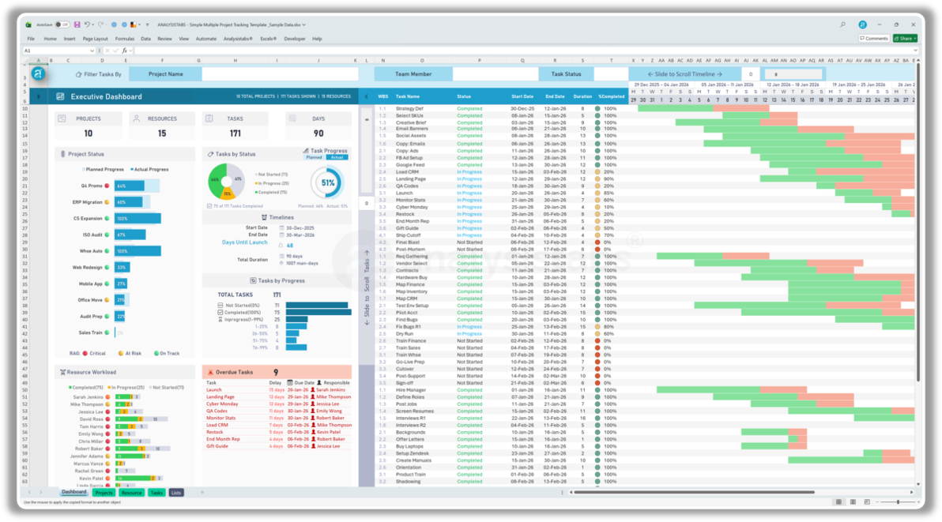
Feature | Free template | Premium (this template)
Project scope | 10 Projects | Unlimited
Capacity | 25 task records | Unlimited
Dashboard | Basic Progress Overview | Full executive portfolio
Gantt Timeline view | 16 days | 9-week dynamic, scroll
Smart filtering | Not included | Project, member, status
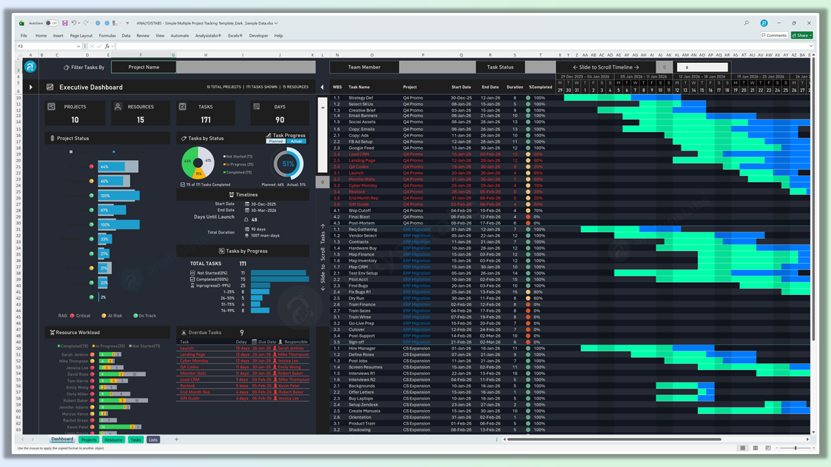
Resource tracking | Not included | Workload heatmap
Overdue alerts | Not included | Auto-listed with owners
Visual themes | Light mode only | Light & dark
Custom schedules | Standard calendar | Weekends & holidays
Edit mode | Standard input | One-click highlight
4Get the Full Version
Formula access | Locked & protected | 100% unlocked
Unlocked free source files | — | Included as bonus
Price | FREE | $49 one-time

4View Details
 | Premium (this template) | 120+ PM Pack | Get our 120+ Premium Project Management Templates
This tracker | Included | Included (same file)
Other Excel PM templates | — | 60+ (plans, portfolios, dashboards, resources)
Risk, issue & change logs | — | Included
Project charters & status reports | — | Included
RACI, SWOT, PEST, Pareto | — | Included
Invoices & cost estimators | — | Included
PowerPoint templates | — | 50+
Word templates | — | 25+
Future additions & updates | This template only | All templates, lifetime
Price | $49 one-time | $299 one-time

Advanced Project Plan Template
Ultimate Project Plan Advanced Excel Template
The Most Powerful Project Planning Template on the Market
View Details 4

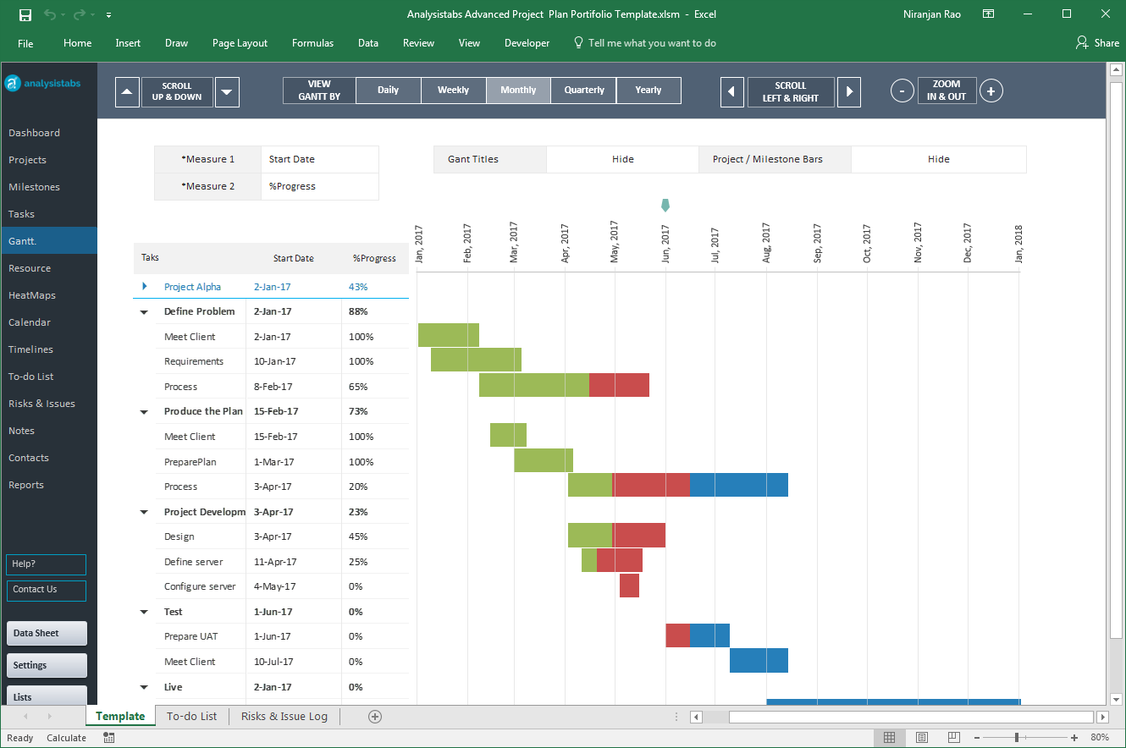

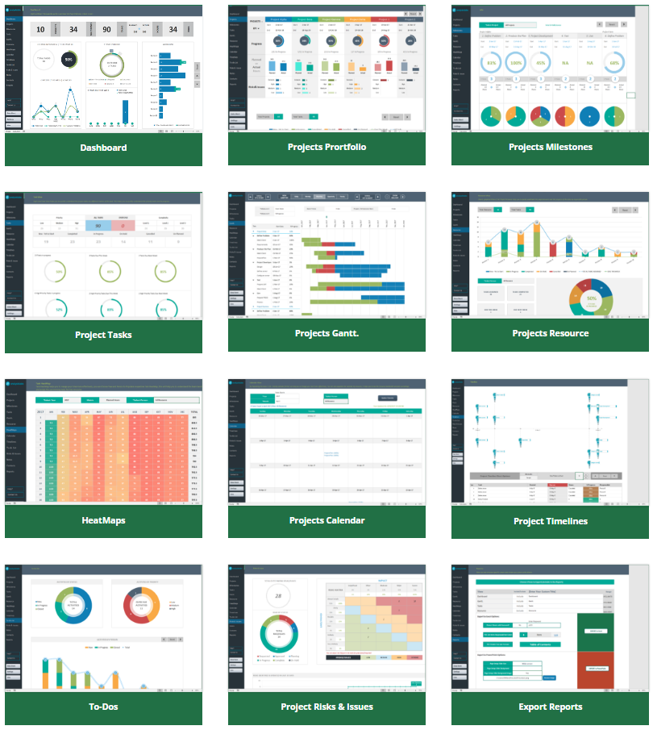

Our Most Popular Project Management Templates
Excel Templates | PowerPoint Templates | MS Word Templates
Browse All Templates4

License-Disclaimer
 | License Terms

4 | Analysistabs® License Agreement
 | This Template/Excel File and sample data is created by Excelx.com Powered by Analysistabs®

4 | Single User License: Allows 1 (Personal Use Only).

4 | You are Allowed

4 | Individual users are permitted to use this file/template for their personal use only
4 | You can share the web page link:(https://excelx.com/)
4 | You can make copies for your own use

4 | You are NOT Allowed

4 | Reproducing of this template is not permitted for reselling, rebranding, team usage, company usage, training and any other business purpose.
4 | You are not allowed to share this template, or the screenshots/ images produced using this template with sample data provided in the template.
4 | You are not allowed to share our template via Emails, Shared drives, Common Folders, Websites, and Social media
4 | You must not remove our copyright notices and Licence sheets from the template
4 | Excel Files/ templates (.xlsx,.xlsm, .docx, .pptx) files should not be shared with others. Instead, you can share following web page link of this template.
Excel Blog

Disclaimer: The information on Excelx.com, including articles, examples, and templates, is for your reference only. We try our best to keep it accurate, but we can't guarantee it's always perfect. If you use this information, you take full responsibility for any risks.

