Gantt Data
Gantt Chart in Excel — Practice File
Sample data for the step-by-step tutorial at excelx.com/gantt-chart/

How to use this file
• Yellow cells are the ones you edit. Everything else is calculated or built by the chart.
• Columns E and F are typed in. Column G (Duration) is a formula: = End - Start + 1.
• Columns I and J (Completed / Remaining) are the two series that split each bar in Step 8.
• Completed + Remaining always equals Duration, so the bar length never changes.
• The helper block below the table holds the axis bounds needed for Step 6.

ID | Task Name | Owner | Start Date | End Date | Duration (Days) | Progress | Days Complete | Remaining | Status
1 | Requirements Gathering | John Doe | 01-Sep-2026 | 08-Sep-2026 | 8 | 100% | 8.0 | 0.0 | Completed
2 | Stakeholder Interviews | Jane Smith | 07-Sep-2026 | 11-Sep-2026 | 5 | 100% | 5.0 | 0.0 | Completed
3 | Concept Design | Mary Johnson | 14-Sep-2026 | 23-Sep-2026 | 10 | 100% | 10.0 | 0.0 | Completed
4 | Design Review & Sign-Off | John Doe | 24-Sep-2026 | 26-Sep-2026 | 3 | 100% | 3.0 | 0.0 | Completed
5 | Frontend Development | Alan Wright | 28-Sep-2026 | 15-Oct-2026 | 18 | 60% | 10.8 | 7.2 | Ongoing
6 | Backend Development | Priya Nair | 02-Oct-2026 | 21-Oct-2026 | 20 | 45% | 9.0 | 11.0 | Ongoing
7 | Content Migration | Mary Johnson | 16-Oct-2026 | 24-Oct-2026 | 9 | 10% | 0.9 | 8.1 | Ongoing
8 | Beta Testing | Jane Smith | 26-Oct-2026 | 06-Nov-2026 | 12 | 0% | 0.0 | 12.0 | Not Started
9 | Bug Fixes & QA | Alan Wright | 05-Nov-2026 | 12-Nov-2026 | 8 | 0% | 0.0 | 8.0 | Not Started
10 | Final Deployment | Priya Nair | 13-Nov-2026 | 16-Nov-2026 | 4 | 0% | 0.0 | 4.0 | Not Started

Helper values for Steps 6
Project start (axis Minimum) |  | 01-Sep-2026 | 46266 | Format as General to read the serial number
Project end (axis Maximum) |  | 20-Nov-2026 | 46346 | Format as General to read the serial number

Get our free gantt chart template

Free vs Premium
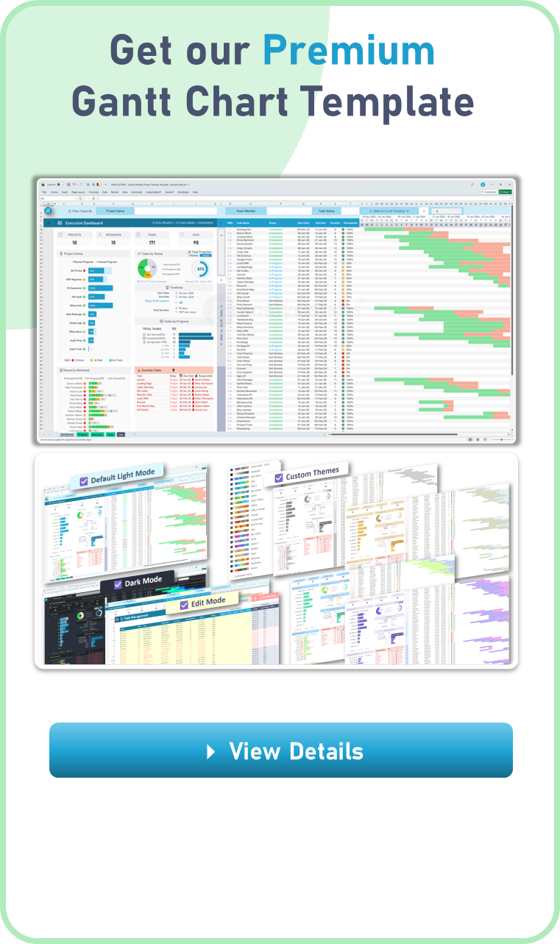
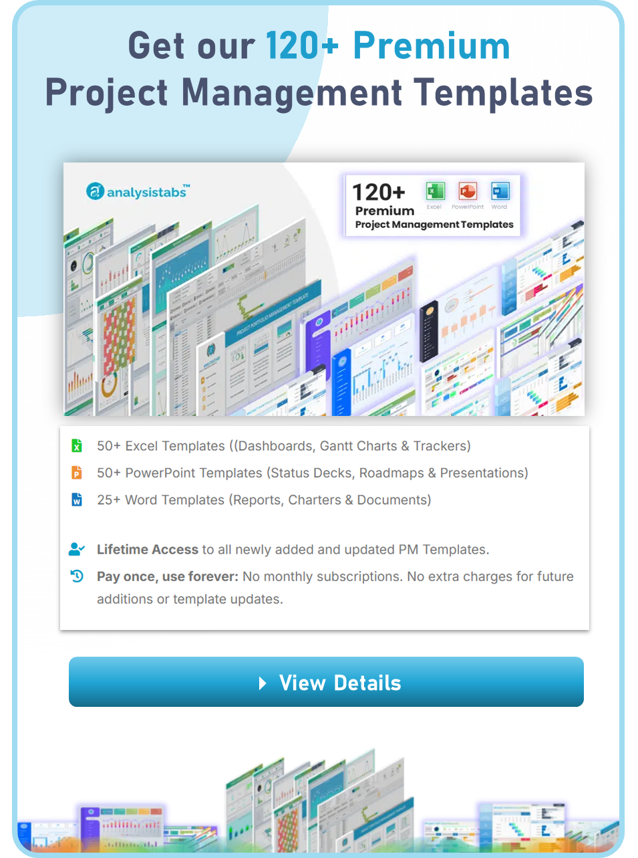
FREE vs PREMIUM COMPARISON

Feature | Free Template | Premium Templates
Project Scope | Single Project Only | Multiple & Unlimited Projects
Visual Themes | Standard Light Mode | Light & Dark Mode
Timeline View | 5-Week Static Sprint | 9-Week Dynamic View with Zoom In/Out
Smart Filtering | No Filtering | Filter by Project, Team Member, or Status
Edit Mode | Standard Input | One-Click Highlight for all Editable Cells
Custom Schedules | Standard Calendar | Advanced Weekend & Official Holiday Logic
Resource Tracking | Not Included | Resource Active Workload Heatmap
Timeline Tools | Basic View | Highlight Today, Weekends, Holidays, & Overdue
Capacity | 25 Task Records | Unlimited Tasks (Portfolio Scale)
Dashboard | 1 Simple Gauge | Full Executive Portfolio Dashboard
Formula Access | Locked & Protected | 100% Unlocked & Fully Customizable
Price | FREE | $49 (One-Time Payment)

License-Disclaimer
 | License Terms

4 | Analysistabs® License Agreement
 | This Template/Excel File and sample data is created by Excelx.com Powered by Analysistabs®

4 | Single User License: Allows 1 (Personal Use Only).

4 | You are Allowed

4 | Individual users are permitted to use this file/template for their personal use only
4 | You can share the web page link:(https://excelx.com/)
4 | You can make copies for your own use

4 | You are NOT Allowed

4 | Reproducing of this template is not permitted for reselling, rebranding, team usage, company usage, training and any other business purpose.
4 | You are not allowed to share this template, or the screenshots/ images produced using this template with sample data provided in the template.
4 | You are not allowed to share our template via Emails, Shared drives, Common Folders, Websites, and Social media
4 | You must not remove our copyright notices and Licence sheets from the template
4 | Excel Files/ templates (.xlsx,.xlsm, .docx, .pptx) files should not be shared with others. Instead, you can share following web page link of this template.
Excel Blog

Disclaimer: The information on Excelx.com, including articles, examples, and templates, is for your reference only. We try our best to keep it accurate, but we can't guarantee it's always perfect. If you use this information, you take full responsibility for any risks.

