Simple Budget Template (Free)
LOGO | Simple Budget Template
 |  |  |  | Developed by PNRao
 | Money in, money out — see what's left.

Get Pro →
Year | 2026 |  | Currency | Today
Month | July |  | $ | 29-Jul-26
✏️ Edit the blue cells — everything else calculates for you

Income |  |  |  | Total Income | $6,100
Description |  |  | Amount
Salary / Wages |  | $ | 5,000
Side / Freelance Income |  | $ | 600 | Total Expenses | $4,680
Investments / Rental |  | $ | 180
Bonus / Commission |  | $ | 250
Other Income |  | $ | 70 | Left Over (income − expenses) | $1,420
Total Income |  | $ | 6,100

Expenses |  |  |  | SAVINGS RATE (of income kept) | 23.3%
Description |  |  | Amount
Housing / Rent |  | $ | 1,650
Income · Expenses · Balance
Utilities (power, water, internet) |  | $ | 320
Groceries |  | $ | 550
Transport / Fuel |  | $ | 280
Insurance |  | $ | 220
Health & Medical |  | $ | 150 |  | Chart data (do not delete) | Amount | Balance (23.3%)
Dining Out |  | $ | 240 |  | Income | 6,100 | 0
Entertainment & Subscriptions |  | $ | 130 |  | Expenses | 4,680 | 1,420
Shopping / Personal |  | $ | 260
Childcare / Education |  | $ | 400
Debt / Loan Payments |  | $ | 350
Other / Miscellaneous |  | $ | 130
Total Expenses |  | $ | 4,680

That leaves 23.3% of your income — $1,420.

How to use
Type over the blue cells — rename any category, change any amount, add your own. Every total, the savings rate and the chart update automatically.
The blue cells are yours to edit. Everything else is locked so the formulas can't be deleted by accident. Need to unlock the formulas and customise the layout? That's in the premium version. |  |  |  | 🚀 Get Pro Now →
 |  |  |  | Instant download · Fully unlocked & customizable · Keep it forever

Premium Preview
Free vs Pro — Simple & Monthly Budget Templates

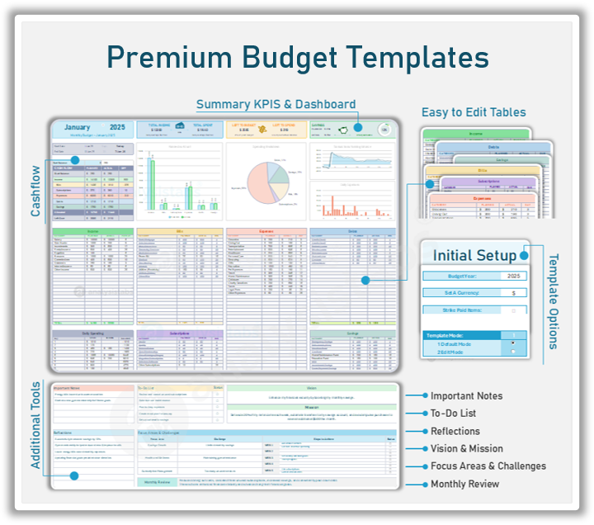
WHAT YOU GET | FREE | PRO ⭐
Budget templates included
📦 TEMPLATES & POWER
Advanced flagship (12 monthly tabs · dashboard) | — | ✓
30 bonus budgets (every style, life stage & business) | — | ✓
Save-ready Printable & PDF layouts | — | ✓
📊 DASHBOARD & INSIGHTS
Live, auto-updating charts | — | ✓
Spending Mix & Budget Health insights | — | ✓
Category analysis & 50/30/20 check | — | ✓
Annual roll-up, reports & forecast
🗓️ PLAN & TRACK
Income & category planning | ✓ | ✓
Planned vs Actual & % of income | ✓ | ✓
KPI summary cards | ✓ | ✓
Savings & debt tracking | ✓ | ✓
⚙️ CUSTOMISE & OWN
40+ currencies & 15+ languages | 10 cur · 1 lang | ✓
Multiple template modes (Default/Edit/Print/Dark) | — | ✓ | Flagship — Monthly Budget Excel Template (12 monthly tabs)
Fully unlocked — edit formulas & add rows | — | ✓ | Plus 30 more, included: Core: Simple · Planner · Personal · Home · Excel · Google Sheets · Printable · PDF Household: Couple · Family · Household · Student · Senior · Roommate · Newly Married · India Analysis & Reporting: Financial Planning · Calculator · Charts · Graphs · Dashboard · Report · Forecast · Expense Tracker Living Costs: Living Expenses · Rent · Mortgage · Utility · Grocery · Entertainment
Planning tools (notes, to-do, reflections, review) | — | ✓
YOUR SCORE | 5 of 15 | 15 of 15

🚀 Get Simple Budget Template Pro Now →
🚀 Get Monthly Budget Template Pro Now → |  |  | Now includes 30 more monthly budget templates — 31 in total, one download | + Preview of Simple Monthly Budget Excel Template
Instant download · Fully unlocked & customizable · Keep it forever


🎁 BEST VALUE — Bundle Offer |  |  |  | Instant download Works in Microsoft Excel One‑time payment (no subscription)
The Life OS Bundle — All-in-One Excel System
Budgeting & Personal Finance · Life Planners & Calendars ADHD Focus · Meal Prep & Workouts
200+ unique templates · 300+ worksheets
across 16 products for the price of 2 — save $865 today!
One-time payment · Lifetime access · Free updates
🎁 Grab the Bundle — Save $865 →

Free & Premium Budget Templates — Developed by PNRao | Excelx.com | Analysistabs®

