Start Here
 | ReadMe

Welcome to Analysistabs® 2026 Calendar Template!
This template is designed to help you organize your year with clarity and ease. It covers the full 12 months of 2026, allowing you to track holidays, appointments, and deadlines in a clean, printable format.
🌐 Resources & Support
Have questions or need assistance? Please don’t hesitate to reach out! Get in touch with us. We’re here to help!

Get in touch with us.:
👉 Contact Us

📝 HOW TO USE THIS TEMPLATE
👉Navigate: Use the tabs at the bottom to switch between the sheets. Go to required template.
👉 Plan: Type your events, birthdays, or reminders directly into the date cells.
👉Print: Press Ctrl + P (or Cmd + P) to print. This calendar is pre-formatted for standard Letter/A4 paper.
👉Save: We recommend saving a backup copy before you start editing.
🔓 UNLOCK THE PREMIUM VERSION
Need more flexibility? The Premium Dynamic Calendar includes:
👉 Premium Templates
✅ Perpetual Dates: Type any year (2027, 2028, 2030...) and the calendar updates instantly.
✅ Fully Unlocked: Edit fonts, colors, borders, and formulas.
✅ Custom Start: Choose to start your week on Sunday or Monday.
✅ Monthly Start: Start your fiscal year in April, July, or any month.
✅ No Branding: Remove the footer credits for professional presentations.
More FREE Templates:
👉 Visit Excelx.com

Premium Templates:
👉 Visit Analysistabs®

🛠️NEED CUSTOMIZATION?
Do you need this template tailored to fit your specific business requirements? Our team of Excel experts is here to help. We can:
✔️ Apply your company branding, color themes, and logo.
✔️ Add new features, categories, or specific logic.
✔️ Modify charts, formulas, layouts, or dashboards.
✔️ Integrate multi-language or multi-currency support.
✔️ Automate manual tasks with custom VBA macros.
We specialize in:
✔️ Custom Dashboard Design & Reporting.
✔️ Workflow Automation (VBA).
✔️ ERP/CRM Data Integration features.
✔️ Corporate Branding & Layouts.

👉 Let's Collaborate!
ℹ️ IMPORTANT NOTE: FREE VERSION
✔️ This is a Static 2026 Calendar. The dates are fixed and cannot be changed to 2027 or other years.
✔️ The structure and formulas are Locked/Protected to ensure the design remains printable and error-free.
✔️To edit the layout, change colors, or generate calendars for future years, please upgrade to the Premium Version.

⭐ We’d Love to Hear from You!
Help us improve by sharing your experience with this template.
Your insights are invaluable in making this template better for everyone. Thank you for your support!

👉 Submit Feedback

© Analysistabs. All Rights Reserved. This template is for personal use only. Redistribution or resale of this file is strictly prohibited.

Free vs. Premium
Feature | Free Version | 💎 Premium Version | Get Our Premium Templates
2026 Calendar | ✅ Yes | ✅ Yes | 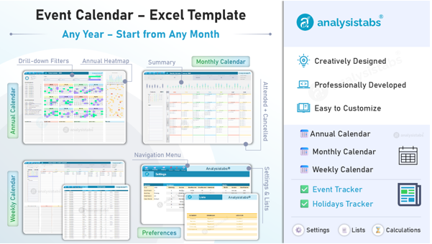
Print Friendly | ✅ Yes | ✅ Yes
Any Year Calendar | ❌ No | ✅ Yes (Forever/ Any Year)
Start Month (Jan/Apr/July/Any Month) | ❌ No | ✅ Yes (Any Month)
Start Day (Sun/Mon) | ❌ No | ✅ Yes
Add Your Logo | ❌ No | ✅ Yes (Unprotected)
Automated Habit Tracker | ❌ No | ✅ Yes
Priority Support | ❌ No | ✅ Yes
👉 Premium Templates
Sheet Protection | 🔒 Locked | 🔓 Unlocked (No Password)
Editable | Limited Cells | ✅ Yes (Fully Editable)
PRICE | FREE | ON SALE

Need to make changes? Go Premium. This free template is locked to ensure the layout remains printable and error-free. If you need to change dates, adjust colors, modify the layout, or remove the author credits, the Premium Unlocked Version gives you 100% freedom to customize the file exactly how you want it.

Product Catalog
👉 Premium Templates
Get Analysistabs® Premium Templates

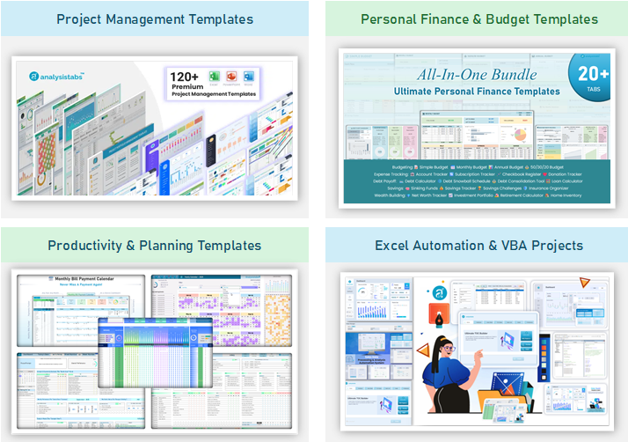

License
 |  | License Terms

4 | Analysistabs® License Agreement
 | Licensed Product: Single User License to Analysistabs® Project Management Template
 | Single User License: Allows 1 User – 2 Devices.

4 | Grant of Licenses
 | Purchase of our Premium Template(s) gives rights for one active user (1 customer who purchased our premium template(s)) to use the file(s).

4 | As an owner of this license
 | • | You can make copies for your own use.
 | • | You must first remove our brand before exporting sheets, pages, slides as PDF and printing the files.
 | • | You can export our template sheets/pages/slides as PDF & share PDF with others
 | • | You can print sheets, pages and slides and share the hard copies
 | • | You can use the files in one or two devices of yours
 | • | You can edit the files as needed (password provided for locked sheets), except for the ReadMe and License sheets, which are non-editable.
 | • | You must not remove our copyright notices and Licence sheets from the Templates. Instead, you can hide this Sheet.

4 | NOT ALLOWED
 | • | The templates (.xlsx,.xlsm, .docx, .pptx) files should not be shared with others
 | • | Copies should not be made by anyone other than license owner
 | • | You cannot sell the files/templates commercially
 | • | You cannot transfer the license to another person.

4 | Liability
 | Analysistabs® will not be liable for any damages due to any business decisions taken based on the templates.

 | We put our maximum efforts to build each of the templates to provide best value to your investment on our templates. We developed our templates by following best practices to create world-class and professional templates in every phase of the development.

 | We have tested thoroughly to ensure the accuracy of the templates. We are happy to hear from you, we value your feedback to add new features, templates or fix the bugs (if any). Please email your valuable feedback to info@analysistabs.com.

📜 View Detailed License & Terms

